UCS - CA
Pre-Treatment - Niobrara |  | Post-Treatment - Niobrara |  | Pre-Treatment - Wolfcamp-X#2 |  | Post-Treatment - Wolfcamp-X#2 |  | Post-Treatment - Wolfcamp-X#3 |  | Pre-Treatment - Wolfcamp-Y#1 |  | Post-Treatment - Wolfcamp-Y#1 |  | Post-Treatment - Wolfcamp-Y#2
Depth [m] | UCS [MPa] | Depth [m] | UCS [MPa] | Depth [m] | UCS [MPa] | Depth [m] | UCS [MPa] | Depth [m] | UCS [MPa] | Depth [m] | UCS [MPa] | Depth [m] | UCS [MPa] | Depth [m] | UCS [MPa]
0.0089 | 73.6234 | 0.0089 | 64.0071 | 0.0102 | 100.197 | 0.0102 | 81.799 | 0.0091 | 81.620 | 0.0104 | 107.890 | 0.0104 | 78.161 | 0.0101 | 75.961
0.0111 | 73.3428 | 0.0109 | 68.5241 | 0.0122 | 103.591 | 0.0122 | 85.421 | 0.0111 | 86.834 | 0.0124 | 110.815 | 0.0124 | 82.962 | 0.0121 | 78.356
0.0131 | 77.346 | 0.0129 | 72.952 | 0.0142 | 101.744 | 0.0142 | 84.350 | 0.0131 | 79.290 | 0.0144 | 112.107 | 0.0144 | 88.962 | 0.0141 | 83.417
0.0151 | 86.7225 | 0.0149 | 64.0096 | 0.0162 | 105.399 | 0.0162 | 88.440 | 0.0151 | 84.124 | 0.0164 | 117.147 | 0.0164 | 89.488 | 0.0161 | 85.173 |  | Average
0.0171 | 96.0439 | 0.0169 | 59.23 | 0.0182 | 103.393 | 0.0182 | 85.841 | 0.0171 | 86.504 | 0.0184 | 113.660 | 0.0184 | 86.148 | 0.0181 | 81.723 | Pre-Treatment - Niobrara | 93.73 | [Mpa]
0.0191 | 102.959 | 0.0189 | 64.9917 | 0.0202 | 104.918 | 0.0202 | 85.184 | 0.0191 | 83.931 | 0.0204 | 106.004 | 0.0204 | 83.896 | 0.0201 | 84.903 | Post-Treatment - Niobrara | 70.99 | [Mpa]
0.0211 | 107.335 | 0.0209 | 67.8295 | 0.0222 | 102.445 | 0.0222 | 86.614 | 0.0211 | 89.446 | 0.0224 | 105.777 | 0.0224 | 83.240 | 0.0221 | 85.114 | Pre-Treatment - Wolfcamp-X#2 | 103.25 | [Mpa]
0.0231 | 105.502 | 0.0229 | 69.8504 | 0.0242 | 104.292 | 0.0242 | 87.284 | 0.0231 | 87.152 | 0.0244 | 108.468 | 0.0244 | 86.836 | 0.0241 | 83.519 | Post-Treatment - Wolfcamp-X#2 | 85.62 | [Mpa]
0.0251 | 97.3797 | 0.0249 | 72.4746 |  |  |  |  |  |  |  |  |  |  |  |  | Post-Treatment - Wolfcamp-X#3 | 84.86 | [Mpa]
0.0271 | 96.3261 | 0.0269 | 73.1463 |  |  |  |  |  |  |  |  |  |  |  |  | Pre-Treatment - Wolfcamp-Y#1 | 110.23 | [Mpa]
0.0291 | 93.8302 | 0.0289 | 81.4282 |  |  |  |  |  |  |  |  |  |  |  |  | Post-Treatment - Wolfcamp-Y#1 | 84.96 | [Mpa]
0.0311 | 89.5881 | 0.0309 | 74.653 |  |  |  |  |  |  |  |  |  |  |  |  | Post-Treatment - Wolfcamp-Y#2 | 82.27 | [Mpa]
0.0331 | 92.7861 | 0.0329 | 73.4562
0.0351 | 99.4708 | 0.0349 | 73.2445
0.0371 | 98.4492 | 0.0369 | 82.1879
0.0391 | 97.9905 | 0.0389 | 71.5316
0.0411 | 100.18 | 0.0409 | 71.9092
0.0431 | 98.1647 | 0.0429 | 72.9309
0.0451 | 95.7639 | 0.0449 | 76.9726
0.0471 | 95.0391 | 0.0469 | 70.8004
0.0491 | 93.8257 | 0.0489 | 68.6234
0.0511 | 96.5514 | 0.0509 | 68.6607
0.0531 | 97.6019 | 0.0529 | 63.9697
0.0551 | 96.2815 | 0.0549 | 64.5479
0.0571 | 97.5403 | 0.0569 | 62.6769
0.0591 | 96.2092 | 0.0589 | 76.3677
0.0611 | 87.3052 | 0.0609 | 69.9918
0.0631 | 86.5596 | 0.0629 | 78.6211
0.0651 | 88.5502 | 0.0649 | 79.1596
 |  | 0.0669 | 79.1764
 |  | 0.0689 | 65.3809
 |  | 0.0709 | 70.1361
 |  | 0.0729 | 69.2611

Ks Wolfcamp-X#
Pre-Treatment - Wolfcamp-X#2 |  |  |  |  |  |  | Post-Treatment - Wolfcamp-X#2 |  |  |  |  |  |  | Post-Treatment - Wolfcamp-X#3
Depth [m] | FT [N] | R=w/2 | 5 | Ks [Mpa.√m] - Pre-Treatment | Mean (Average) | 3.38 | Depth [m] | FT [N] | R=w/2 | 5 | Ks [Mpa.√m] - Post-Treatment | Mean (Average) | 1.92 | Depth [m] | FT [N] | R=w/2 | 5 | Ks [Mpa.√m] - Post-Treatment | Mean (Average) | 1.83
0.01 | 143.894 | d | 0.25 | 2.878 | Standard Deviation | 0.259536 | 0.01 | 108.800 | d | 0.25 | 2.176 | Standard Deviation | 0.376957 | 0.01 | 85.198 | d | 0.25 | 1.704 | Standard Deviation | 0.399789
0.01 | 172.700 |  |  | 3.454 | Standard Error | 0.08 | 0.01 | 99.685 |  |  | 1.994 | Standard Error | 0.12 | 0.01 | 90.651 |  |  | 1.813 | Standard Error | 0.13
0.01 | 171.902 |  |  | 3.438 |  |  | 0.01 | 87.264 |  |  | 1.745 |  |  | 0.01 | 78.712 |  |  | 1.574
0.01 | 168.500 |  |  | 3.370 |  |  | 0.01 | 69.917 |  |  | 1.398 |  |  | 0.01 | 63.275 |  |  | 1.265 |  |  |  | Average |  | Standard Deviation | Standard Error
0.01 | 175.350 |  |  | 3.507 |  |  | 0.01 | 53.953 |  |  | 1.079 |  |  | 0.01 | 55.304 |  |  | 1.106 |  |  | Pre-Treatment - Wolfcamp-X#2 | 3.38 | [Mpa.√m] | 0.2595 | 0.08
0.02 | 166.060 |  |  | 3.321 |  |  | 0.02 | 110.789 |  |  | 2.216 |  |  | 0.02 | 105.946 |  |  | 2.119 |  |  | Post-Treatment - Wolfcamp-X#2 | 1.92 | [Mpa.√m] | 0.3770 | 0.12
0.02 | 195.480 |  |  | 3.910 |  |  | 0.02 | 108.306 |  |  | 2.166 |  |  | 0.02 | 112.864 |  |  | 2.257 |  |  | Post-Treatment - Wolfcamp-X#3 | 1.83 | [Mpa.√m] | 0.3998 | 0.13
0.02 | 176.246 |  |  | 3.525 |  |  | 0.02 | 101.381 |  |  | 2.028 |  |  | 0.02 | 119.718 |  |  | 2.394
0.02 | 163.822 |  |  | 3.276 |  |  | 0.02 | 114.062 |  |  | 2.281 |  |  | 0.02 | 105.490 |  |  | 2.110
0.02 | 154.788 |  |  | 3.096 |  |  | 0.02 | 107.190 |  |  | 2.144 |  |  | 0.02 | 96.790 |  |  | 1.936

Ks Wolfcamp-Y#
Pre-Treatment - Wolfcamp-Y#1 |  |  |  |  |  |  | Post-Treatment - Wolfcamp-Y#1 |  |  |  |  |  |  | Post-Treatment - Wolfcamp-Y#2
Depth [m] | FT [N] | R=w/2 | 5 | Ks [Mpa.√m] - Pre-Treatment | Mean (Average) | 3.21 | Depth [m] | FT [N] | R=w/2 | 5 | Ks [Mpa.√m] - Post-Treatment | Mean (Average) | 1.96 | Depth [m] | FT [N] | R=w/2 | 5 | Ks [Mpa.√m] - Post-Treatment | Mean (Average) | 1.90
0.01 | 158.442 | d | 0.25 | 3.169 | Standard Deviation | 0.214106 | 0.01 | 103.932 | d | 0.25 | 2.079 | Standard Deviation | 0.287685 | 0.01 | 72.609 | d | 0.25 | 1.452 | Standard Deviation | 0.274599
0.01 | 174.539 |  |  | 3.491 | Standard Error | 0.07 | 0.01 | 95.418 |  |  | 1.908 | Standard Error | 0.09 | 0.01 | 81.185 |  |  | 1.624 | Standard Error | 0.09
0.01 | 181.946 |  |  | 3.639 |  |  | 0.01 | 92.351 |  |  | 1.847 |  |  | 0.01 | 92.130 |  |  | 1.843
0.01 | 153.125 |  |  | 3.063 |  |  | 0.01 | 79.949 |  |  | 1.599 |  |  | 0.01 | 90.421 |  |  | 1.808 |  |  |  | Average |  | Standard Deviation | Standard Error
0.01 | 144.579 |  |  | 2.892 |  |  | 0.01 | 66.038 |  |  | 1.321 |  |  | 0.01 | 83.951 |  |  | 1.679 |  |  | Pre-Treatment - Wolfcamp-Y#1 | 3.21 | [Mpa.√m] | 0.2141 | 0.07
0.02 | 161.135 |  |  | 3.223 |  |  | 0.02 | 105.296 |  |  | 2.106 |  |  | 0.02 | 101.702 |  |  | 2.034 |  |  | Post-Treatment - Wolfcamp-Y#1 | 1.96 | [Mpa.√m] | 0.2877 | 0.09
0.02 | 167.431 |  |  | 3.349 |  |  | 0.02 | 113.942 |  |  | 2.279 |  |  | 0.02 | 120.245 |  |  | 2.405 |  |  | Post-Treatment - Wolfcamp-Y#2 | 1.90 | [Mpa.√m] | 0.2746 | 0.09
0.02 | 159.454 |  |  | 3.189 |  |  | 0.02 | 108.469 |  |  | 2.169 |  |  | 0.02 | 112.222 |  |  | 2.244
0.02 | 154.144 |  |  | 3.083 |  |  | 0.02 | 111.736 |  |  | 2.235 |  |  | 0.02 | 102.208 |  |  | 2.044
0.02 | 151.169 |  |  | 3.023 |  |  | 0.02 | 104.520 |  |  | 2.090 |  |  | 0.02 | 91.666 |  |  | 1.833

Ks Niobrara
 | Ks [Mpa.√m] - Pre-Treatment | Ks [Mpa.√m] - Post-Treatment
0.01 | 3.036 | 3.132
0.01 | 3.040 | 2.938
0.01 | 3.076 | 2.900
0.01 | 3.120 | 2.994
0.01 | 3.090 | 2.950
0.02 | 2.984 | 2.930
0.02 | 2.936 | 3.082
0.02 | 2.866 | 3.060
0.02 | 2.570 | 3.026
0.02 | 2.702 | 3.044
0.03 | 2.432 | 3.044
0.03 | 3.044 | 3.142
0.03 | 3.774 | 3.210
0.03 | 3.700 | 3.188
0.03 | 3.736 | 3.106
0.04 | 4.024 | 3.116
0.04 | 3.984 | 3.026
0.04 | 3.826 | 3.010
0.04 | 4.076 | 3.004
0.04 | 4.112 | 3.032
0.05 | 4.014 | 2.992
0.05 | 4.058 | 2.954
0.05 | 3.862 | 2.936
0.05 | 3.788 | 2.868
0.05 | 3.348 | 2.964
0.06 | 3.976 | 2.956
0.06 | 3.692 | 3.046
0.06 | 3.034 | 3.090
0.06 | 3.916 | 3.024
0.06 | 4.222 | 3.000
0.07 | 4.368 | 3.024
0.07 | 4.354 | 3.178
Pre-Treatment |  |  |  |  |  |  | Post-Treatment
Depth [m] | FT [N] | R=w/2 | 5 | Ks [Mpa.√m] - Pre-Treatment | Mean (Average) | 3.52 | Depth [m] | FT [N] | R=w/2 | 5 | Ks [Mpa.√m] - Post-Treatment | Mean (Average) | 3.03
0.01 | 151.8 | d | 0.25 | 3.036 | Standard Deviation | 0.550574 | 0.01 | 156.6 | d | 0.25 | 3.132 | Standard Deviation | 0.083013
0.01 | 152 |  |  | 3.040 | Standard Error | 0.10 | 0.01 | 146.9 |  |  | 2.938 | Standard Error | 0.01
0.01 | 153.8 |  |  | 3.076 |  |  | 0.01 | 145 |  |  | 2.900
0.01 | 156 |  |  | 3.120 |  |  | 0.01 | 149.7 |  |  | 2.994 |  |  |  | Average |  | Standard Deviation | Standard Error
0.01 | 154.5 |  |  | 3.090 |  |  | 0.01 | 147.5 |  |  | 2.950 |  |  | Pre-Treatment | 3.52 | [Mpa.√m] | 0.5506 | 0.10
0.02 | 149.2 |  |  | 2.984 |  |  | 0.02 | 146.5 |  |  | 2.930 |  |  | Post-Treatment | 3.03 | [Mpa.√m] | 0.0830 | 0.01
0.02 | 146.8 |  |  | 2.936 |  |  | 0.02 | 154.1 |  |  | 3.082
0.02 | 143.3 |  |  | 2.866 |  |  | 0.02 | 153 |  |  | 3.060
0.02 | 128.5 |  |  | 2.570 |  |  | 0.02 | 151.3 |  |  | 3.026
0.02 | 135.1 |  |  | 2.702 |  |  | 0.02 | 152.2 |  |  | 3.044
0.03 | 121.6 |  |  | 2.432 |  |  | 0.03 | 152.2 |  |  | 3.044
0.03 | 152.2 |  |  | 3.044 |  |  | 0.03 | 157.1 |  |  | 3.142
0.03 | 188.7 |  |  | 3.774 |  |  | 0.03 | 160.5 |  |  | 3.210
0.03 | 185 |  |  | 3.700 |  |  | 0.03 | 159.4 |  |  | 3.188
0.03 | 186.8 |  |  | 3.736 |  |  | 0.03 | 155.3 |  |  | 3.106
0.04 | 201.2 |  |  | 4.024 |  |  | 0.04 | 155.8 |  |  | 3.116
0.04 | 199.2 |  |  | 3.984 |  |  | 0.04 | 151.3 |  |  | 3.026
0.04 | 191.3 |  |  | 3.826 |  |  | 0.04 | 150.5 |  |  | 3.010
0.04 | 203.8 |  |  | 4.076 |  |  | 0.04 | 150.2 |  |  | 3.004
0.04 | 205.6 |  |  | 4.112 |  |  | 0.04 | 151.6 |  |  | 3.032
0.05 | 200.7 |  |  | 4.014 |  |  | 0.05 | 149.6 |  |  | 2.992
0.05 | 202.9 |  |  | 4.058 |  |  | 0.05 | 147.7 |  |  | 2.954
0.05 | 193.1 |  |  | 3.862 |  |  | 0.05 | 146.8 |  |  | 2.936
0.05 | 189.4 |  |  | 3.788 |  |  | 0.05 | 143.4 |  |  | 2.868
0.05 | 167.4 |  |  | 3.348 |  |  | 0.05 | 148.2 |  |  | 2.964
0.06 | 198.8 |  |  | 3.976 |  |  | 0.06 | 147.8 |  |  | 2.956
0.06 | 184.6 |  |  | 3.692 |  |  | 0.06 | 152.3 |  |  | 3.046
0.06 | 151.7 |  |  | 3.034 |  |  | 0.06 | 154.5 |  |  | 3.090
0.06 | 195.8 |  |  | 3.916 |  |  | 0.06 | 151.2 |  |  | 3.024
0.06 | 211.1 |  |  | 4.222 |  |  | 0.06 | 150 |  |  | 3.000
0.07 | 218.4 |  |  | 4.368 |  |  | 0.07 | 151.2 |  |  | 3.024
0.07 | 217.7 |  |  | 4.354 |  |  | 0.07 | 158.9 |  |  | 3.178

Porosity
Wolfcamp shale Sample | Pre-Treatment Porosity | Post-Treatment Porosity | Porosity Increase (%) |  | Percentage increase (%) | Percentage Increase (%) | Percent change (%)
X#3 | 1.907% | 2.718% | 42.53% | X#3 | 42.53% | -42.53 | 42.53
Y#2 | 1.946% | 2.761% | 41.88% | Y#2 | 41.88% | -41.88 | 41.88

Permeability
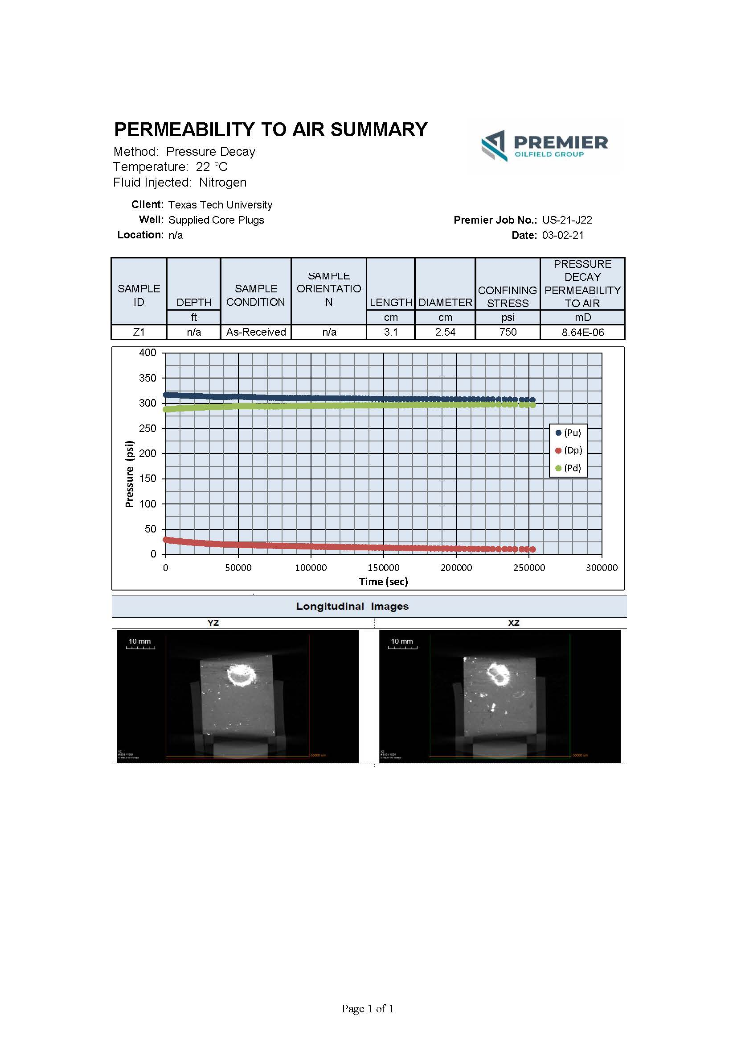
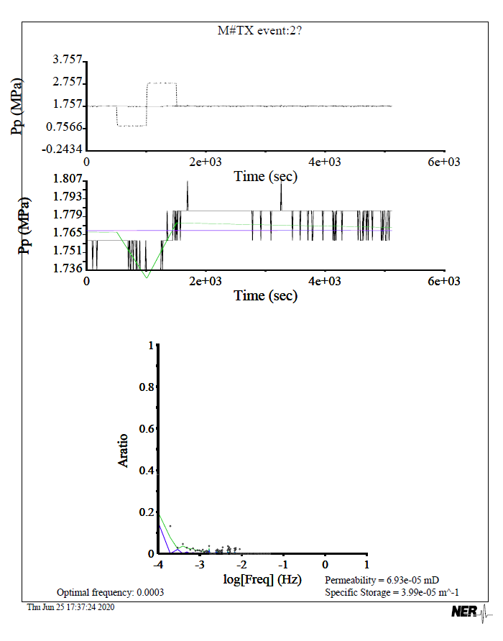
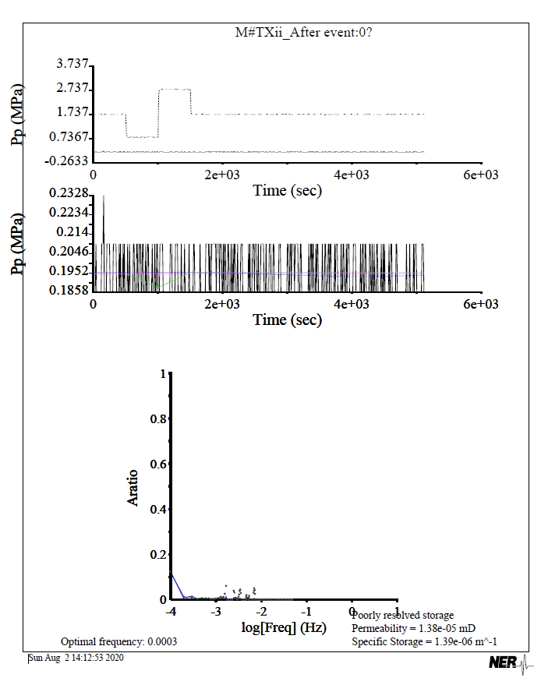
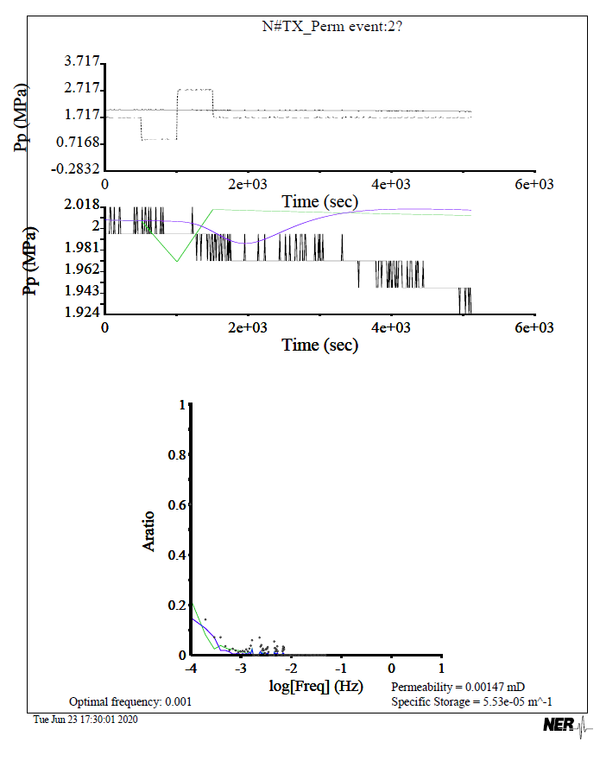
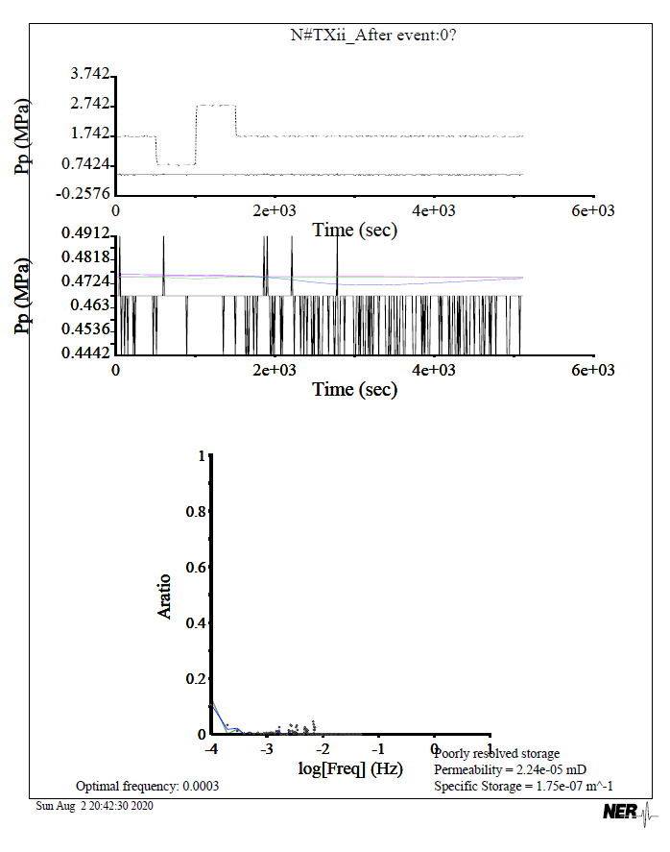
Wolfcamp shale Sample | Pre-Treatment Permeability (μD) | Post-Treatment Permeability (μD) | Permeability Increase (%) | Wolfcamp shale Sample | Pre-Treatment Permeability (μD) | Post-Treatment Permeability (μD) | Permeability Increase (%) | Percent change (%)
Z# | 8.64E-03 | 5.64E-01 | 6426.00% | Z# | 0.00864 | 0.56388 | 6426.00% | 6426.39

XRD Wolfcamp
Minerological Composition
Sample | Quartz (%) | Dolomite (%) | Calcite (%) | Albite (%) | Illite (%) | Pyrite (%)
Pre-Treatment | 43.2 | 0.6 | 50.0 | 1.7 | 2.5 | 2.0
Post-Treatment | 50.5 | 0.5 | 42.7 | 1.5 | 2.6 | 2.2

XRD Niobrara
Minerological Composition
Sample | Quartz (%) | Calcite (%) | Illite (%) | Pyrite (%) | Chlorite (%) | Dolomite (%) | Albite (%)
Pre-Treatment | 7.0 | 78.1 | 6.4 | 0.4 | 0.0 | 0.4 | 1.3
Post-Treatment | 10.8 | 77.3 | 8.6 | 0.5 | 0.8 | 0.6 | 1.4

 | 1

 | 1

